Scatter Plot
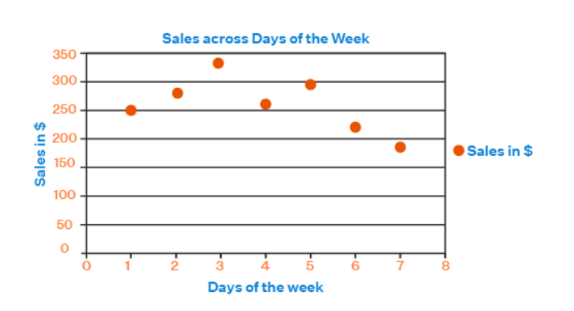

Compare Data between two variables

 | Sales across Days of the week

Sheet1
Distance | Amount Spent
1 | 35
1 | 13
2 | 40
4 | 20
4 | 15
5 | 35
10 | 35
20 | 50
20 | 25
22 | 40
45 | 35
50 | 75
50 | 125
50 | 67
75 | 99
75 | 149
75 | 110
75 | 120
85 | 130
87 | 75
99 | 101
100 | 200
125 | 125
130 | 220
145 | 150
152 | 195

